Key Product Features
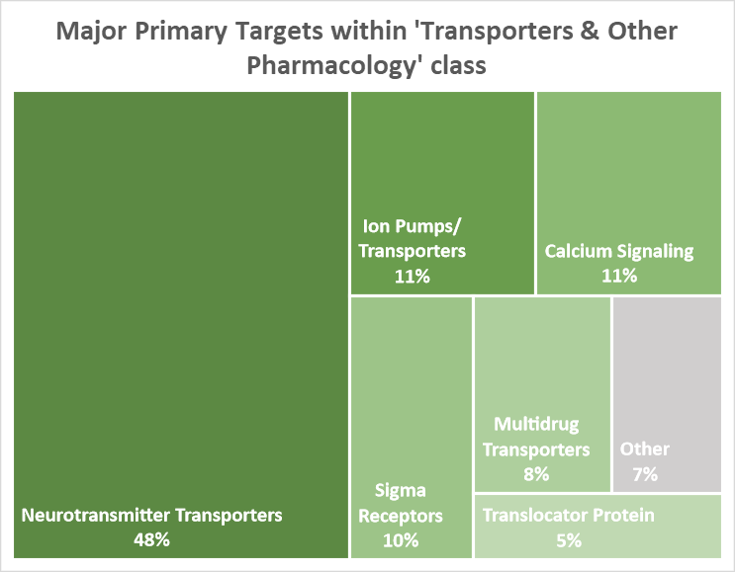
Primary Target: Classification used for our website - gene ID data in the process of also being provided
Pharmacology of Tocriscreen 2.0 Mini

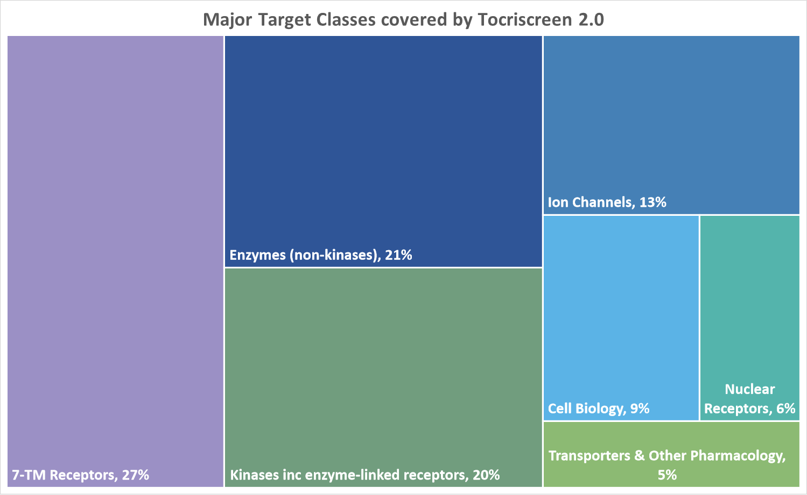
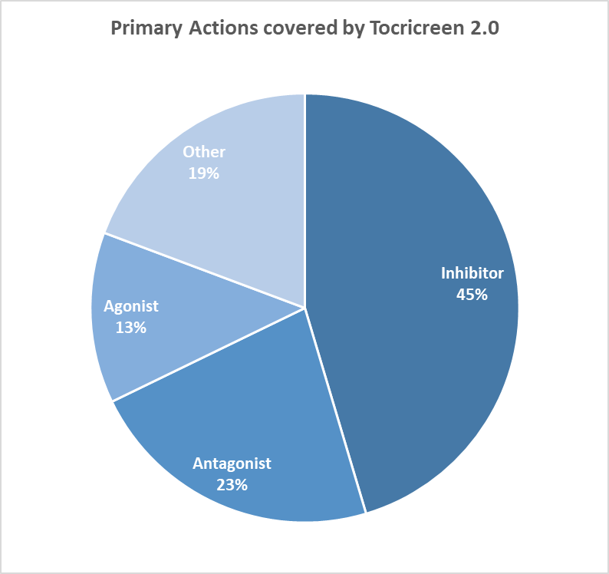

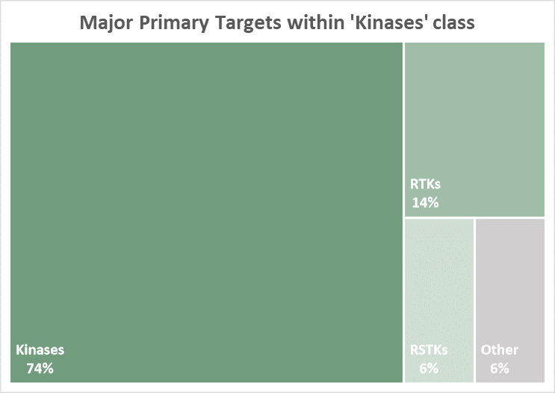
RTK: Receptor Tyrosine Kinases; RSTK: Receptor Serine/Threonine Kinases
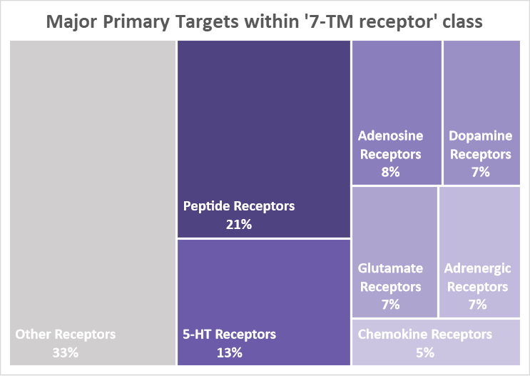
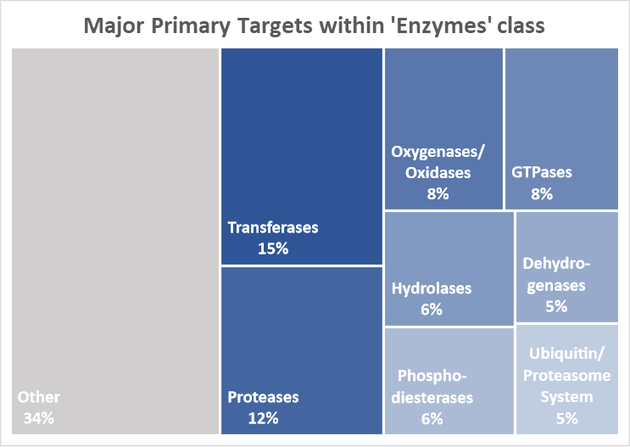

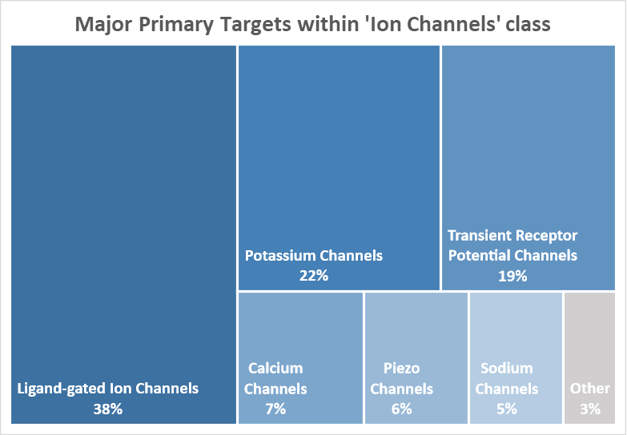
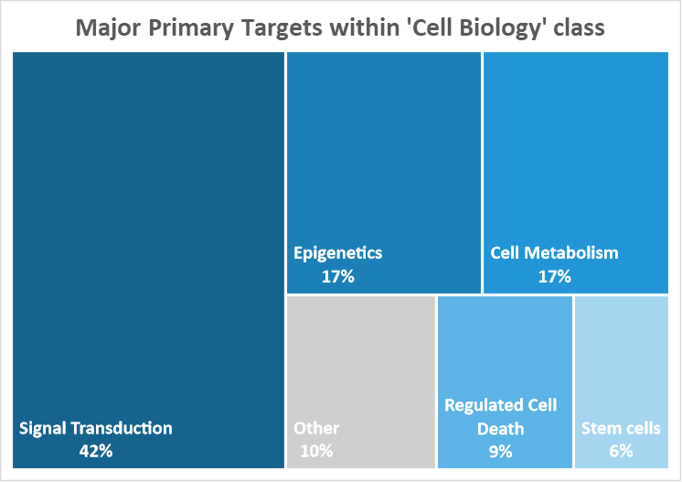
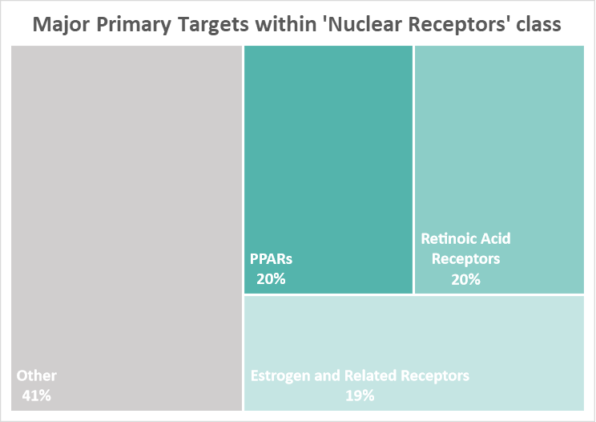
PPARs: Peroxisome proliferator-acticated receptors

Compound Information
* Primary Target: Classification used for our website - gene ID data in the process of also being provided
 |  |  | Tocriscreen 2.0 Mini
 |  |  |  |  |  |  | 7-TM Receptors |  |  | Enzymes & Enzyme-linked receptors
 |  |  | Cat. No. 7151 |  |  |  | Ion Channels |  |  | Transporters & Other pharmacology
 |  |  |  |  |  |  | Nuclear Receptors |  |  | Cell Biology

Cat.No | Compound name | Target Class | Primary Target* | Primary Action | Brief Description | Batch | Product Data Sheet | Plate Number | Plate Location
3291 | PF 915275 | Enzymes | 11b-Hydroxysteroid Dehydrogenase | Inhibitor | Potent and selective 11β-hydroxysteroid dehydrogenase inhibitor | 2 | Datasheet_3291 | 1 | B05
0927 | Fluoxetine hydrochloride | Transporters | 5-HT Transporters | Inhibitor | 5-HT reuptake inhibitor | 5 | Datasheet_0927 | 1 | C06
1588 | Indatraline hydrochloride | Transporters | 5-HT Transporters | Inhibitor | Potent 5-HT uptake inhibitor; also inhibits dopamine and noradrenalin uptake | 8 | Datasheet_1588 | 1 | C09
2395 | Sertraline hydrochloride | Transporters | 5-HT Transporters | Inhibitor | 5-HT reuptake inhibitor | 3 | Datasheet_2395 | 1 | C10
2917 | Venlafaxine hydrochloride | Transporters | 5-HT Transporters | Inhibitor | 5-HT and NA reuptake inhibitor (SNRI) | 1 | Datasheet_2917 | 1 | D05
4796 | Escitalopram oxalate | Transporters | 5-HT Transporters | Inhibitor | Selective serotonin reuptake inhibitor (SSRI) | 2 | Datasheet_4796 | 1 | D07
4798 | (S)-Duloxetine hydrochloride | Transporters | 5-HT Transporters | Inhibitor | Potent 5-HT and NA reuptake inhibitor (SNRI); also blocks dopamine reuptake | 1 | Datasheet_4798 | 1 | D10
0993 | Cyanopindolol hemifumarate | 7-TM Receptors | 5-HT1A Receptors | Antagonist | 5-HT1A and 5-HT1B antagonist; also β-adrenergic antagonist | 4 | Datasheet_0993 | 1 | D11
1080 | (R)-(+)-8-Hydroxy-DPAT hydrobromide | 7-TM Receptors | 5-HT1A Receptors | Agonist | Selective 5-HT1A agonist; enantiomer of 8-Hydroxy-DPAT hydrobromide (Cat. No. 0529) | 8 | Datasheet_1080 | 1 | E04
1253 | (S)-WAY 100135 dihydrochloride | 7-TM Receptors | 5-HT1A Receptors | Antagonist | Potent and selective 5-HT1A antagonist | 6 | Datasheet_1253 | 1 | E06
3282 | NAD 299 hydrochloride | 7-TM Receptors | 5-HT1A Receptors | Antagonist | Selective, high affinity 5-HT1A antagonist | 3 | Datasheet_3282 | 1 | E09
6202 | Vilazodone hydrochloride | 7-TM Receptors | 5-HT1A Receptors | Agonist | Potent 5-HT1A partial agonist and SSRI; antidepressant | 1 | Datasheet_6202 | 1 | E11
0703 | Anpirtoline hydrochloride | 7-TM Receptors | 5-HT1B Receptors | Agonist | Highly potent 5-HT1B agonist; also 5-HT3 antagonist | 6 | Datasheet_0703 | 1 | F02
1317 | CP 94253 hydrochloride | 7-TM Receptors | 5-HT1B Receptors | Agonist | Potent and selective 5-HT1B agonist | 4 | Datasheet_1317 | 1 | F05
1985 | PNU 142633 | 7-TM Receptors | 5-HT1D Receptors | Agonist | Highly selective 5-HT1D agonist | 2 | Datasheet_1985 | 1 | F06
3078 | LY 310762 hydrochloride | 7-TM Receptors | 5-HT1D Receptors | Antagonist | Selective 5-HT1D antagonist | 1 | Datasheet_3078 | 1 | F07
3586 | Sumatriptan succinate | 7-TM Receptors | 5-HT1D Receptors | Agonist | 5-HT1A, 5-HT1B and 5-HT1D agonist | 1 | Datasheet_3586 | 1 | F10
4657 | Zolmitriptan | 7-TM Receptors | 5-HT1D Receptors | Agonist | Potent 5-HT1B/1D/1F agonist | 1 | Datasheet_4657 | 1 | F11
2451 | LY 344864 hydrochloride | 7-TM Receptors | 5-HT1F Receptors | Agonist | Potent and selective 5-HT1F agonist | 1 | Datasheet_2451 | 1 | G02
0523 | 4F 4PP oxalate | 7-TM Receptors | 5-HT2A Receptors | Antagonist | Selective 5-HT2A antagonist | 3 | Datasheet_0523 | 1 | G03
0995 | Spiperone hydrochloride | 7-TM Receptors | 5-HT2A Receptors | Antagonist | 5-HT2A antagonist; also D2-like antagonist | 10 | Datasheet_0995 | 1 | G04
1742 | R-96544 hydrochloride | 7-TM Receptors | 5-HT2A Receptors | Antagonist | Potent, selective 5-HT2A antagonist | 3 | Datasheet_1742 | 1 | G07
1809 | Altanserin hydrochloride | 7-TM Receptors | 5-HT2A Receptors | Antagonist | 5-HT2A receptor antagonist | 1 | Datasheet_1809 | 1 | G08
2592 | TCB-2 | 7-TM Receptors | 5-HT2A Receptors | Agonist | High affinity and potent 5-HT2A agonist | 4 | Datasheet_2592 | 1 | G09
3739 | Sarpogrelate hydrochloride | 7-TM Receptors | 5-HT2A Receptors | Antagonist | Selective 5-HT2A antagonist | 1 | Datasheet_3739 | 1 | G10
4173 | MDL 100907 | 7-TM Receptors | 5-HT2A Receptors | Antagonist | Potent and selective 5-HT2A antagonist | 3 | Datasheet_4173 | 1 | G11
4349 | Olanzapine | 7-TM Receptors | 5-HT2A Receptors | Antagonist | 5-HT2A antagonist; also D2 antagonist; atypical antipsychotic | 2 | Datasheet_4349 | 1 | H03
4470 | EMD 281014 hydrochloride | 7-TM Receptors | 5-HT2A Receptors | Antagonist | Selective 5-HT2A antagonist | 1 | Datasheet_4470 | 1 | H07
6336 | Trazodone hydrochloride | 7-TM Receptors | 5-HT2A Receptors | Antagonist | 5-HT2A and α1 adrenoceptor antagonist; also enhances neural differentiation; antidepressant and neuroprotectant | 1 | Datasheet_6336 | 2 | A04
1372 | SB 204741 | 7-TM Receptors | 5-HT2B Receptors | Antagonist | Potent, selective 5-HT2B antagonist | 3 | Datasheet_1372 | 2 | A05
2993 | RS 127445 hydrochloride | 7-TM Receptors | 5-HT2B Receptors | Antagonist | High affinity and selective 5-HT2B antagonist | 4 | Datasheet_2993 | 2 | A07
3077 | LY 272015 hydrochloride | 7-TM Receptors | 5-HT2B Receptors | Antagonist | High affinity 5-HT2B antagonist; orally active | 1 | Datasheet_3077 | 2 | A11
4081 | LY 266097 hydrochloride | 7-TM Receptors | 5-HT2B Receptors | Antagonist | Selective 5-HT2B antagonist | 1 | Datasheet_4081 | 2 | B02
1050 | RS 102221 hydrochloride | 7-TM Receptors | 5-HT2C Receptors | Antagonist | Selective 5-HT2C antagonist | 14 | Datasheet_1050 | 2 | B08
1661 | SB 206553 hydrochloride | 7-TM Receptors | 5-HT2C Receptors | Antagonist | Potent and selective 5-HT2B and 5-HT2C antagonist; orally active | 4 | Datasheet_1661 | 2 | B09
1854 | Ro 60-0175 fumarate | 7-TM Receptors | 5-HT2C Receptors | Agonist | Potent, selective 5-HT2C agonist | 2 | Datasheet_1854 | 2 | C04
2901 | SB 242084 | 7-TM Receptors | 5-HT2C Receptors | Antagonist | Selective 5-HT2C antagonist; brain penetrant | 3 | Datasheet_2901 | 2 | C05
3041 | CP 809101 hydrochloride+B46 | 7-TM Receptors | 5-HT2C Receptors | Agonist | Potent and selective 5-HT2C agonist | 2 | Datasheet_3041 | 2 | C09
0640 | MDL 72222 | Ion Channels | 5-HT3 Receptors | Antagonist | 5-HT3 antagonist | 3 | Datasheet_0640 | 2 | D08
1795 | Zacopride hydrochloride | Ion Channels | 5-HT3 Receptors | Antagonist | Highly potent 5-HT3 antagonist; also 5-HT4 agonist | 4 | Datasheet_1795 | 2 | D09
0991 | RS 39604 hydrochloride | 7-TM Receptors | 5-HT4 Receptors | Antagonist | 5-HT4 antagonist | 3 | Datasheet_0991 | 2 | D10
1695 | Cisapride | 7-TM Receptors | 5-HT4 Receptors | Agonist | 5-HT4 agonist; stimulates intestinal ACh release | 1 | Datasheet_1695 | 2 | E05
4374 | BIMU 8 | 7-TM Receptors | 5-HT4 Receptors | Agonist | Potent 5-HT4 agonist | 4 | Datasheet_4374 | 2 | E07
4613 | Tegaserod maleate | 7-TM Receptors | 5-HT4 Receptors | Agonist | 5-HT4 partial agonist | 1 | Datasheet_4613 | 2 | E08
3188 | SB 699551 | 7-TM Receptors | 5-HT5 Receptors | Antagonist | Selective 5-ht5a antagonist | 2 | Datasheet_3188 | 2 | F03
2382 | EMD 386088 hydrochloride | 7-TM Receptors | 5-HT6 Receptors | Agonist | Potent 5-HT6 agonist | 1 | Datasheet_2382 | 2 | F06
3189 | SB 399885 hydrochloride | 7-TM Receptors | 5-HT6 Receptors | Antagonist | Potent and selective 5-HT6 antagonist | 3 | Datasheet_3189 | 2 | F08
3326 | BGC 20-761 | 7-TM Receptors | 5-HT6 Receptors | Antagonist | High affinity 5-HT6 antagonist | 1 | Datasheet_3326 | 2 | F09
3368 | SB 271046 hydrochloride | 7-TM Receptors | 5-HT6 Receptors | Antagonist | Selective 5-HT6 antagonist; orally active | 2 | Datasheet_3368 | 2 | F11
3904 | WAY 208466 dihydrochloride | 7-TM Receptors | 5-HT6 Receptors | Agonist | Selective 5-HT6 agonist | 4 | Datasheet_3904 | 2 | G04
5589 | WAY 181187 oxalate | WAY 181187 oxalate | 5-HT6 Receptors | Agonist | High affinity and selective 5-HT6 agonist | 2 | Datasheet_5589 | 2 | G08
1612 | SB 269970 hydrochloride | 7-TM Receptors | 5-HT7 Receptors | Antagonist | Potent and selective 5-HT7 antagonist; brain penetrant | 9 | Datasheet_1612 | 2 | G09
2726 | SB 258719 hydrochloride | 7-TM Receptors | 5-HT7 Receptors | Antagonist | Selective 5-HT7 antagonist | 1 | Datasheet_2726 | 2 | G10
5906 | Imatinib mesylate | Enzymes | Abl Kinase | Inhibitor | Potent and selective v-Abl tyrosine kinase inhibitor; also inhibits PDGFR and c-kit | 2 | Datasheet_5906 | 2 | H02
0653 | (+/-)-Vesamicol hydrochloride | Transporters | Acetylcholine Transporters | Inhibitor | Inhibits ACh transport | 5 | Datasheet_0653 | 2 | H05
4946 | AIM 100 | Enzymes | Ack1 | Inhibitor | Potent and selective Ack1 (TNK2) inhibitor | 2 | Datasheet_4946 | 2 | H06
4434 | Wiskostatin | Cell biology | Actin | Inhibitor | N-WASP inhibitor; inhibits Arp2/3 activation | 1 | Datasheet_4434 | 2 | H07
2227 | CI 976 | Enzymes | Acyl-CoA:Cholesterol Acyltransferase | Inhibitor | Selective ACAT inhibitor | 1 | Datasheet_2227 | 2 | H09
6505 | Avasimibe | Enzymes | Acyl-CoA:Cholesterol Acyltransferase | Inhibitor | ACAT inhibitor | 1 | Datasheet_6505 | 2 | H11
5960 | TMI 1 | Enzymes | ADAMs | Inhibitor | Adam 17 (TACE) and MMP inhibitor; orally bioavailable | 1 | Datasheet_5960 | 3 | A05
1705 | 2-Chloro-N6-cyclopentyladenosine | 7-TM Receptors | Adenosine A1 Receptors | Agonist | Potent, selective A1 agonist | 7 | Datasheet_1705 | 3 | A09
2019 | PSB 36 | 7-TM Receptors | Adenosine A1 Receptors | Antagonist | Potent and selective A1 antagonist | 1 | Datasheet_2019 | 3 | A10
2281 | 2'-MeCCPA | 7-TM Receptors | Adenosine A1 Receptors | Agonist | Very selective and potent A1 receptor agonist | 1 | Datasheet_2281 | 3 | A11
2465 | SDZ WAG 994 | 7-TM Receptors | Adenosine A1 Receptors | Agonist | Potent, selective A1 agonist | 1 | Datasheet_2465 | 3 | B07
3576 | (+/-)-5'-Chloro-5'-deoxy-ENBA | 7-TM Receptors | Adenosine A1 Receptors | Agonist | Highly selective A1 agonist | 5 | Datasheet_3576 | 3 | B08
4167 | KW 3902 | 7-TM Receptors | Adenosine A1 Receptors | Antagonist | Selective A1 antagonist | 1 | Datasheet_4167 | 3 | B09
6137 | 8-Cyclopentyl-1,3-dimethylxanthine | 7-TM Receptors | Adenosine A1 Receptors | Antagonist | High affinity adenosine A1 receptor antagonist | 1 | Datasheet_6137 | 3 | B10
1036 | ZM 241385 | 7-TM Receptors | Adenosine A2A Receptors | Antagonist | Potent and highly selective A2A antagonist | 14 | Datasheet_1036 | 3 | C03
1063 | CGS 21680 hydrochloride | 7-TM Receptors | Adenosine A2A Receptors | Agonist | A2A agonist | 16 | Datasheet_1063 | 3 | C05
2270 | SCH 58261 | 7-TM Receptors | Adenosine A2A Receptors | Antagonist | Potent, highly selective A2A antagonist | 9 | Datasheet_2270 | 3 | D02
2463 | SCH 442416 | 7-TM Receptors | Adenosine A2A Receptors | Antagonist | Very selective, high affinity A2A antagonist | 5 | Datasheet_2463 | 3 | D03
3937 | ANR 94 | 7-TM Receptors | Adenosine A2A Receptors | Antagonist | Adenosine A2A antagonist | 1 | Datasheet_3937 | 3 | D04
4334 | PSB 0777 ammonium salt | 7-TM Receptors | Adenosine A2A Receptors | Agonist | Potent adenosine A2A agonist | 2 | Datasheet_4334 | 3 | D05
4407 | TC-G 1004 | 7-TM Receptors | Adenosine A2A Receptors | Antagonist | Potent and selective A2A antagonist | 1 | Datasheet_4407 | 3 | D10
4603 | LUF 5834 | 7-TM Receptors | Adenosine A2A Receptors | Agonist | Potent adenosine A2A and A2B receptor partial agonist | 1 | Datasheet_4603 | 3 | F02
2009 | PSB 1115 | 7-TM Receptors | Adenosine A2B Receptors | Antagonist | Selective human A2B antagonist; water-soluble | 4 | Datasheet_2009 | 3 | F04
3198 | PSB 603 | 7-TM Receptors | Adenosine A2B Receptors | Antagonist | Highly selective A2B antagonist | 2 | Datasheet_3198 | 3 | F05
3199 | PSB 0788 | 7-TM Receptors | Adenosine A2B Receptors | Antagonist | Selective A2B antagonist | 1 | Datasheet_3199 | 3 | F09
4472 | BAY 60-6583 | 7-TM Receptors | Adenosine A2B Receptors | Agonist | Potent A2B agonist; cardioprotective | 4 | Datasheet_4472 | 3 | F11
6787 | KI-7 | 7-TM Receptors | Adenosine A2B Receptors | Modulator | Positive allosteric modulator of A2B receptors | 1 | Datasheet_6787 | 3 | G04
1217 | MRS 1220 | 7-TM Receptors | Adenosine A3 Receptors | Antagonist | Highly potent and selective hA3 antagonist | 4 | Datasheet_1217 | 3 | G05
1579 | HEMADO | 7-TM Receptors | Adenosine A3 Receptors | Agonist | High affinity selective A3 agonist | 1 | Datasheet_1579 | 3 | G06
2010 | PSB 10 hydrochloride | 7-TM Receptors | Adenosine A3 Receptors | Antagonist | Potent, highly selective hA3 receptor antagonist/inverse agonist | 1 | Datasheet_2010 | 3 | G07
1099 | Forskolin | Enzymes | Adenylyl Cyclase | Activator | Adenylyl cyclase activator | 3 | Datasheet_1099 | 3 | G10
1435 | SQ 22536 | Enzymes | Adenylyl Cyclase | Inhibitor | Adenylyl cyclase inhibitor | 2 | Datasheet_1435 | 3 | G11
1436 | MDL 12330A hydrochloride | Enzymes | Adenylyl Cyclase | Inhibitor | Adenylyl cyclase inhibitor; also cyclic nucleotide PDE inhibitor | 2 | Datasheet_1436 | 3 | H02
5071 | NKY 80 | Enzymes | Adenylyl Cyclase | Inhibitor | Adenylyl cyclase inhibitor | 1 | Datasheet_5071 | 3 | H07
2838 | (R)-(-)-Phenylephrine hydrochloride | 7-TM Receptors | Adrenergic Alpha-1 Receptors | Agonist | α1 agonist | 1 | Datasheet_2838 | 3 | H09
2964 | Doxazosin mesylate | 7-TM Receptors | Adrenergic Alpha-1 Receptors | Antagonist | α1 antagonist | 1 | Datasheet_2964 | 4 | A05
3050 | Tamsulosin hydrochloride | 7-TM Receptors | Adrenergic Alpha-1 Receptors | Antagonist | Selective α1A antagonist | 1 | Datasheet_3050 | 4 | A06
6663 | Silodosin | 7-TM Receptors | Adrenergic Alpha-1 Receptors | Antagonist | Selective α1A antagonist | 1 | Datasheet_6663 | 4 | A07
1324 | RX 821002 hydrochloride | 7-TM Receptors | Adrenergic Alpha-2 Receptors | Antagonist | Potent, selective α2D antagonist | 4 | Datasheet_1324 | 4 | A08
2749 | Dexmedetomidine hydrochloride | 7-TM Receptors | Adrenergic Alpha-2 Receptors | Agonist | Potent, highly selective α2 agonist. Active isomer of medetomidine (Cat. No. 5160) | 1 | Datasheet_2749 | 4 | A09
2758 | B-HT 933 dihydrochloride | 7-TM Receptors | Adrenergic Alpha-2 Receptors | Agonist | Selective α2 agonist | 4 | Datasheet_2758 | 4 | B02
2937 | Atipamezole hydrochloride | 7-TM Receptors | Adrenergic Alpha-2 Receptors | Antagonist | Selective α2 antagonist | 1 | Datasheet_2937 | 4 | B04
3866 | SKF 86466 hydrochloride | 7-TM Receptors | Adrenergic Alpha-2 Receptors | Antagonist | Potent and selective α2 antagonist | 1 | Datasheet_3866 | 4 | B06
5160 | Medetomidine hydrochloride | 7-TM Receptors | Adrenergic Alpha-2 Receptors | Agonist | Potent and highly selective α2 agonist | 1 | Datasheet_5160 | 4 | B10
0950 | Xamoterol hemifumarate | 7-TM Receptors | Adrenergic Beta-1 Receptors | Agonist | Selective β1 partial agonist | 4 | Datasheet_0950 | 4 | B11
3256 | Metoprolol tartrate | 7-TM Receptors | Adrenergic Beta-1 Receptors | Antagonist | Selective β1 antagonist | 1 | Datasheet_3256 | 4 | C05
1051 | Zinterol hydrochloride | 7-TM Receptors | Adrenergic Beta-2 Receptors | Agonist | Selective β2 agonist | 4 | Datasheet_1051 | 4 | C06
1102 | Procaterol hydrochloride | 7-TM Receptors | Adrenergic Beta-2 Receptors | Agonist | Potent β2 agonist | 3 | Datasheet_1102 | 4 | C07
1448 | Formoterol hemifumarate | 7-TM Receptors | Adrenergic Beta-2 Receptors | Agonist | Potent and selective β2 agonist | 2 | Datasheet_1448 | 4 | C11
4712 | Salmeterol xinafoate | 7-TM Receptors | Adrenergic Beta-2 Receptors | Agonist | Long-acting β2 agonist; bronchodilator | 1 | Datasheet_4712 | 4 | D03
6219 | Arformoterol tartrate | 7-TM Receptors | Adrenergic Beta-2 Receptors | Agonist | Long-acting β2 agonist (LABA) | 1 | Datasheet_6219 | 4 | D09
1511 | SR 59230A hydrochloride | 7-TM Receptors | Adrenergic Beta-3 Receptors | Antagonist | Potent and selective β3 antagonist | 5 | Datasheet_1511 | 4 | E07
2197 | L-755,507 | 7-TM Receptors | Adrenergic Beta-3 Receptors | Agonist | Very potent and selective β3 partial agonist | 3 | Datasheet_2197 | 4 | E08
2760 | L-748,337 | 7-TM Receptors | Adrenergic Beta-3 Receptors | Antagonist | Selective β3 antagonist | 4 | Datasheet_2760 | 4 | E09
3986 | SR 58611A hydrochloride | 7-TM Receptors | Adrenergic Beta-3 Receptors | Agonist | β3 agonist; displays anxiolytic and antidepressant effects | 1 | Datasheet_3986 | 4 | E11
1982 | Reboxetine mesylate | Transporters | Adrenergic Transporters | Inhibitor | Potent and selective noradrenalin uptake inhibitor; orally active | 6 | Datasheet_1982 | 4 | F08
2151 | API-2 | Enzymes | Akt (Protein Kinase B) | Inhibitor | Selective inhibitor of Akt/PKB signaling. Antitumor and antiviral | 3 | Datasheet_2151 | 4 | F09
2558 | 10-DEBC hydrochloride | Enzymes | Akt (Protein Kinase B) | Inhibitor | Selective Akt/PKB inhibitor | 1 | Datasheet_2558 | 4 | F10
4144 | GSK 690693 | Enzymes | Akt (Protein Kinase B) | Inhibitor | Akt kinase inhibitor. Antitumor | 1 | Datasheet_4144 | 4 | G03
6978 | AZD 5363 | Enzymes | Akt (Protein Kinase B) | Inhibitor | Potent pan-AKT inhibitor | 1 | Datasheet_6978 | 4 | G07
4005 | Alda 1 | Enzymes | Aldehyde Dehydrogenase | Activator | ALDH2 activator; cardioprotective | 1 | Datasheet_4005 | 4 | H03
5164 | CVT 10216 | Enzymes | Aldehyde Dehydrogenase | Inhibitor | Potent and selective ALDH2 inhibitor | 1 | Datasheet_5164 | 4 | H04
5802 | A37 | Enzymes | Aldehyde Dehydrogenase | Inhibitor | ALDH1A1 inhibitor | 1 | Datasheet_5802 | 4 | H05
5934 | NCT 501 hydrochloride | Enzymes | Aldehyde Dehydrogenase | Inhibitor | Potent and selective ALDH1A1 inhibitor | 1 | Datasheet_5934 | 4 | H10
3595 | CHR 2797 | Enzymes | Aminopeptidases | Inhibitor | Aminopeptidase inhibitor | 4 | Datasheet_3595 | 4 | H11
0189 | DNQX | Ion Channels | AMPA Receptors | Antagonist | Selective non-NMDA iGluR antagonist | 14 | Datasheet_0189 | 5 | A02
0190 | CNQX | Ion Channels | AMPA Receptors | Antagonist | Potent and selective non-NMDA iGluR antagonist | 34 | Datasheet_0190 | 5 | A03
0373 | NBQX | Ion Channels | AMPA Receptors | Antagonist | Potent AMPA antagonist; more selective than CNQX (Cat. No. 0190) | 16 | Datasheet_0373 | 5 | A04
0713 | Cyclothiazide | Ion Channels | AMPA Receptors | Modulator | Positive allosteric modulator of AMPA receptors; inhibits AMPA desensitization | 8 | Datasheet_0713 | 5 | A06
1454 | GYKI 52466 dihydrochloride | Ion Channels | AMPA Receptors | Antagonist | Selective non-competitive AMPA antagonist | 7 | Datasheet_1454 | 5 | A07
1636 | IEM 1460 | Ion Channels | AMPA Receptors | Blocker | Open-channel blocker of AMPA currents; selective for non-GluA2-containing receptors | 3 | Datasheet_1636 | 5 | A08
2345 | ZK 200775 | Ion Channels | AMPA Receptors | Antagonist | Competitive non-NMDA iGluR antagonist | 1 | Datasheet_2345 | 5 | A10
3911 | S 18986 | Ion Channels | AMPA Receptors | Modulator | Positive allosteric modulator of AMPA receptors | 1 | Datasheet_3911 | 5 | B06
4198 | IEM 1925 dihydrobromide | Ion Channels | AMPA Receptors | Antagonist | Voltage- and use-dependent open-channel AMPA blocker | 1 | Datasheet_4198 | 5 | C05
5032 | Talampanel | Ion Channels | AMPA Receptors | Antagonist | Non-competitive non-NMDA iGluR antagonist | 1 | Datasheet_5032 | 5 | C07
5149 | CX 614 | Ion Channels | AMPA Receptors | Modulator | Positive allosteric modulator of AMPA receptors | 2 | Datasheet_5149 | 5 | C11
5297 | LY 404187 | Ion Channels | AMPA Receptors | Modulator | Selective positive allosteric modulator of AMPA receptors | 1 | Datasheet_5297 | 5 | D03
6278 | JNJ 55511118 | Ion Channels | AMPA Receptors | Modulator | High affinity and selective negative modulator of AMPA receptors containing TARP-γ8 | 1 | Datasheet_6278 | 5 | D06
6353 | UoS 12258 | Ion Channels | AMPA Receptors | Modulator | Positive allosteric modulator of AMPA receptors | 1 | Datasheet_6353 | 5 | D08
2840 | AICAR | Enzymes | AMPK | Activator | AMPK activator | 7 | Datasheet_2840 | 5 | D10
2864 | Metformin hydrochloride | Enzymes | AMPK | Activator | Activator of LKB1/AMPK; antidiabetic agent | 2 | Datasheet_2864 | 5 | E07
3093 | Dorsomorphin dihydrochloride | Enzymes | AMPK | Inhibitor | Potent AMPK inhibitor; also BMP type I receptor inhibitor | 5 | Datasheet_3093 | 5 | E11
6114 | PF 06409577 | Enzymes | AMPK | Activator | Potent and selective allosteric activator of AMPK | 1 | Datasheet_6114 | 5 | F02
2408 | Ro 90-7501 | Cell biology | Amyloid Beta Peptides | Inhibitor | Inhibitor of Aβ42 fibril formation | 4 | Datasheet_2408 | 5 | F04
5081 | J 147 | Cell biology | Amyloid Beta Peptides | Other | Neuroprotective and neurotrophic compound; reduces Aβ40 and Aβ42 levels | 1 | Datasheet_5081 | 5 | F06
3389 | Bicalutamide | Nuclear Receptors | Androgen Receptor | Antagonist | Non-steroidal androgen receptor antagonist | 1 | Datasheet_3389 | 5 | F10
3798 | Losartan potassium | 7-TM Receptors | Angiotensin AT1 Receptors | Antagonist | Selective, non-peptide AT1 antagonist | 3 | Datasheet_3798 | 5 | F11
4216 | Valsartan | 7-TM Receptors | Angiotensin AT1 Receptors | Antagonist | High affinity, selective AT1 antagonist | 1 | Datasheet_4216 | 5 | G07
4616 | Olmesartan | 7-TM Receptors | Angiotensin AT1 Receptors | Antagonist | Potent AT1 antagonist | 1 | Datasheet_4616 | 5 | H03
4791 | Candesartan | 7-TM Receptors | Angiotensin AT1 Receptors | Antagonist | AT1 antagonist | 1 | Datasheet_4791 | 5 | H06
5270 | Toyocamycin | Other Pharmacology | Antibiotics | Other | Adenosine analog; antifungal antibiotic | 1 | Datasheet_5270 | 5 | H08
2706 | Temozolomide | Cell biology | Apoptosis Inducers | Other | DNA-methylating antitumor agent | 2 | Datasheet_2706 | 5 | H09
5425 | TGN 020 | Ion Channels | Aquaporins | Blocker | Aquaporin 4 (AQP4) channel blocker | 2 | Datasheet_5425 | 6 | A03
2849 | SecinH3 | Enzymes | Arf | Inhibitor | Sec7-specific GEF inhibitor; selective for cytohesin family | 3 | Datasheet_2849 | 6 | A04
3324 | QS 11 | Enzymes | Arf | QS 11 | ARFGAP1 inhibitor; modulates Wnt/β-catenin signaling | 3 | Datasheet_3324 | 6 | A05
5986 | NAV 2729 | Enzymes | Arf | Inhibitor | Selective ARF6 inhibitor | 2 | Datasheet_5986 | 6 | A07
1803 | ITE | Nuclear Receptors | Aryl Hydrocarbon Receptors | Agonist | Endogenous agonist for the transcription factor aryl hydrocarbon receptor | 12 | Datasheet_1803 | 6 | A08
4825 | TC ASK 10 | Enzymes | ASK1 | Inhibitor | Potent and selective ASK1 inhibitor; orally bioavailable | 2 | Datasheet_4825 | 6 | A09
5641 | MSC 2032964A | Enzymes | ASK1 | Inhibitor | Potent and selective ASK1 inhibitor; orally bioavailable | 2 | Datasheet_5641 | 6 | A11
3190 | Mirin | Enzymes | ATM & ATR Kinase | Inhibitor | MRN-ATM pathway inhibitor | 2 | Datasheet_3190 | 6 | B07
5198 | AZ 20 | Enzymes | ATM & ATR Kinase | Inhibitor | Potent and selective ATR kinase inhibitor; antitumor | 1 | Datasheet_5198 | 6 | C03
6330 | AZ 5704 | Enzymes | ATM & ATR Kinase | Inhibitor | Potent and selective ATM kinase inhibitor; orally bioavailable | 1 | Datasheet_6330 | 6 | C08
4962 | SB 204990 | Enzymes | ATP Citrate Lyase | Inhibitor | ATP citrate lyase (ACLY) inhibitor | 2 | Datasheet_4962 | 6 | D03
2458 | ZM 447439 | Enzymes | Aurora Kinases | Inhibitor | Inhibits Aurora kinase B | 4 | Datasheet_2458 | 6 | D09
3988 | Hesperadin hydrochloride | Enzymes | Aurora Kinases | Inhibitor | Potent Aurora kinase B inhibitor | 1 | Datasheet_3988 | 6 | E02
4297 | SMER 28 | Cell biology | Autophagy | Activator | Positive regulator of autophagy | 1 | Datasheet_4297 | 6 | E03
4196 | HA 130 | Enzymes | Autotaxin | Inhibitor | Potent and selective autotaxin inhibitor | 1 | Datasheet_4196 | 6 | E04
2160 | Bax channel blocker | Cell biology | Bcl-2 Family | Inhibitor | Allosteric inhibitor of Bax channel activation | 1 | Datasheet_2160 | 6 | E11
3367 | AT 101 | Cell biology | Bcl-2 Family | Other | Downregulates Bcl-2 and Mcl-1; pro-apoptotic | 4 | Datasheet_3367 | 6 | F02
6539 | Obatoclax mesylate | Cell biology | Bcl-2 Family | Inhibitor | Inhibitor of Bcl-2 family members; antiapoptotic | 1 | Datasheet_6539 | 6 | F03
6960 | ABT 199 | Cell biology | Bcl-2 Family | Inhibitor | Selective, high affinity Bcl-2 inhibitor; orally bioavailable | 1 | Datasheet_6960 | 6 | F07
3534 | PNU 74654 | Cell biology | Beta-catenin | Other | β-catenin binder; inhibits Wnt signaling | 1 | Datasheet_3534 | 6 | G02
4299 | iCRT 14 | Cell biology | Beta-catenin | Other | Inhibits β-catenin-responsive transcription (CRT) | 1 | Datasheet_4299 | 6 | G04
4344 | FH 535 | Cell biology | Beta-catenin | Other | Inhibitor of Wnt/β-catenin signaling | 1 | Datasheet_4344 | 6 | G06
4767 | WAY 316606 hydrochloride | Cell biology | Beta-catenin | Other | Secreted Frizzled-related protein-1 (sFRP-1) inhibitor; increases Wnt signaling | 1 | Datasheet_4767 | 6 | H07
4126 | DMH-1 | Enzyme-Linked Receptors | BMP and Other Activin Receptors | Inhibitor | Selective ALK2 inhibitor | 3 | Datasheet_4126 | 6 | H08
4986 | K 02288 | Enzyme-Linked Receptors | BMP and Other Activin Receptors | Inhibitor | Type 1 BMP receptor inhibitor | 1 | Datasheet_4986 | 6 | H09
6053 | LDN 193189 dihydrochloride | Enzyme-Linked Receptors | BMP and Other Activin Receptors | Inhibitor | Potent and selective ALK2 and ALK3 inhibitor; promotes neural induction of hPSCs | 4 | Datasheet_6053 | 6 | H11
0542 | H-7 dihydrochloride | Enzymes | Broad Spectrum Protein Kinase Inhibitors | Inhibitor | Protein kinase inhibitor | 6 | Datasheet_0542 | 7 | A04
2002 | Ro 31-8220 mesylate | Enzymes | Broad Spectrum Protein Kinase Inhibitors | Inhibitor | Protein kinase inhibitor | 2 | Datasheet_2002 | 7 | A06
4445 | PFI 1 | Cell biology | Bromodomains | Inhibitor | BET bromodomain inhibitor | 1 | Datasheet_4445 | 7 | A08
4499 | (+)-JQ1 | Cell biology | Bromodomains | Inhibitor | Potent and selective BET bromodomain inhibitor; cell permeable | 11 | Datasheet_4499 | 7 | A09
4650 | I-BET 151 dihydrochloride | Cell biology | Bromodomains | Inhibitor | BET bromodomain inhibitor; also promotes differentiation of hiPSCs into megakaryocytes | 5 | Datasheet_4650 | 7 | B03
4758 | Bromosporine | Cell biology | Bromodomains | Inhibitor | Broad spectrum bromodomain inhibitor | 1 | Datasheet_4758 | 7 | B08
4891 | I-CBP 112 | Cell biology | Bromodomains | Inhibitor | Selective CBP/p300 BRD inhibitor | 1 | Datasheet_4891 | 7 | B09
5072 | PFI 3 | Cell biology | Bromodomains | Inhibitor | Potent and selective SMARCA2/4 and polybromo 1 inhibitor | 3 | Datasheet_5072 | 7 | B10
5266 | BAZ2-ICR | Cell biology | Bromodomains | Inhibitor | Selective BAZ2 inhibitor | 1 | Datasheet_5266 | 7 | C02
5331 | CPI 203 | Cell biology | Bromodomains | Inhibitor | BET bromodomain inhibitor; arrests cell cycle at G1 phase | 1 | Datasheet_5331 | 7 | C03
5496 | LP 99 | Cell biology | Bromodomains | Inhibitor | Selective BRD7 and BRD9 inhibitor | 1 | Datasheet_5496 | 7 | C07
5497 | ent-LP 99 | Cell biology | Bromodomains | Control | Negative Control for LP 99 | 1 | Datasheet_5497 | 7 | D05
5590 | BI 9564 | Cell biology | Bromodomains | Inhibitor | Potent and selective BRD9 and BRD7 inhibitor; orally active | 1 | Datasheet_5590 | 7 | D10
5603 | (-)-JQ1 | Cell biology | Bromodomains | Control | Inactive control for (+)-JQ1 | 1 | Datasheet_5603 | 7 | E04
5744 | NVS-CECR2-1 | Cell biology | Bromodomains | Inhibitor | Potent and selective inhibitor of cat eye syndrome chromosome region, candidate 2 (CECR2) | 1 | Datasheet_5744 | 7 | E06
5970 | BAY 299 | Cell biology | Bromodomains | Inhibitor | Potent and selective BRD1 and TAF1 inhibitor | 1 | Datasheet_5970 | 7 | E10
5999 | TP 472N | Cell biology | Bromodomains | Control | Negative control for TP 472 | 1 | Datasheet_5999 | 7 | F02
6000 | TP 472 | Cell biology | Bromodomains | Inhibitor | Potent BRD9/7 inhibitor | 1 | Datasheet_6000 | 7 | F04
6181 | OTX 015 | Cell biology | Bromodomains | Inhibitor | BET bromodomain inhibitor; orally bioavailable | 1 | Datasheet_6181 | 7 | F05
6198 | GSK 6853 | Cell biology | Bromodomains | Inhibitor | Potent and selective BRPF1 inhibitor | 1 | Datasheet_6198 | 7 | G02
6203 | GSK 9311 hydrochloride | Cell biology | Bromodomains | Control | Negative control for GSK 6853 | 1 | Datasheet_6203 | 7 | G05
6251 | L Moses dihydrochloride | Cell biology | Bromodomains | Inhibitor | High affinity and selective PCAF bromodomain inhibitor | 1 | Datasheet_6251 | 7 | H08
5012 | PCI 29732 | Enzymes | Brutons Tyrosine Kinase (BTK) | Inhibitor | Potent BTK inhibitor | 1 | Datasheet_5012 | 8 | A03
0593 | NPPB | Ion Channels | Ca2+-Activated Chloride Channels | Blocker | Inhibits calcium-sensitive chloride currents | 4 | Datasheet_0593 | 8 | A06
4876 | Eact | Ion Channels | Ca2+-Activated Chloride Channels | Activator | Activator of Ca2+-activated Cl- channel transmembrane protein 16A (TMEM16A) | 1 | Datasheet_4876 | 8 | A07
1041 | 1-EBIO | Ion Channels | Ca2+-Activated Potassium Channels | Activator | Activator of epithelial KCa channels | 7 | Datasheet_1041 | 8 | A09
2665 | BMS 191011 | Ion Channels | Ca2+-Activated Potassium Channels | Activator | Potent BKCa (KCa1.1) channel opener | 2 | Datasheet_2665 | 8 | B07
3670 | SKA 31 | Ion Channels | Ca2+-Activated Potassium Channels | Activator | Activator of KCa3.1 and KCa2 channels | 1 | Datasheet_3670 | 8 | B08
3895 | NS 309 | Ion Channels | Ca2+-Activated Potassium Channels | Activator | Positive modulator of KCa2 and KCa3.1 channels | 2 | Datasheet_3895 | 8 | B11
4311 | GW 542573X | Ion Channels | Ca2+-Activated Potassium Channels | Activator | Selective activator of KCa2.1 channels | 1 | Datasheet_4311 | 8 | C02
4597 | NS 8593 hydrochloride | Ion Channels | Ca2+-Activated Potassium Channels | Modulator | Selective KCa2 (SK) channel negative modulator; inhibits SK currents | 1 | Datasheet_4597 | 8 | C09
4788 | NS 11021 | Ion Channels | Ca2+-Activated Potassium Channels | Activator | Activator of BKCa (KCa1.1) channels | 1 | Datasheet_4788 | 8 | D05
5276 | NS 19504 | Ion Channels | Ca2+-Activated Potassium Channels | Activator | Activator of BKCa (KCa1.1) channels | 1 | Datasheet_5276 | 8 | D06
2006 | Paxilline | Enzymes | Ca2+-ATPase | Blocker | SERCA ATPase blocker. Also potent BKCa channel blocker | 7 | Datasheet_2006 | 8 | D07
5869 | CDN 1163 | Enzymes | Ca2+-ATPase | Activator | SERCA2 allosteric activator | 2 | Datasheet_5869 | 8 | D10
2550 | SUN-B 8155 | 7-TM Receptors | Calcitonin and Related Receptors | Agonist | Non-peptide calcitonin agonist | 2 | Datasheet_2550 | 8 | D11
0369 | W-7 hydrochloride | Cell biology | Calcium Binding Protein | Antagonist | Calmodulin antagonist. Inhibits myosin light chain kinase | 8 | Datasheet_0369 | 8 | E03
3626 | NPS 2143 hydrochloride | 7-TM Receptors | Calcium-Sensing Receptor | Antagonist | Selective calcium-sensing receptor (CaSR) antagonist; orally active calcilytic agent | 2 | Datasheet_3626 | 8 | E06
3815 | R 568 hydrochloride | 7-TM Receptors | Calcium-Sensing Receptor | Modulator | Positive allosteric modulator of human calcium-sensing receptor (CaSR) | 1 | Datasheet_3815 | 8 | E08
4387 | Calhex 231 hydrochloride | 7-TM Receptors | Calcium-Sensing Receptor | Modulator | Negative allosteric modulator of calcium-sensing receptor (CaSR) | 1 | Datasheet_4387 | 8 | F11
6165 | AC 265347 | 7-TM Receptors | Calcium-Sensing Receptor | Modulator | Biased allosteric modulator of calcium-sensing receptor (CaSR) | 1 | Datasheet_6165 | 8 | G08
6170 | Cinacalcet hydrochloride | 7-TM Receptors | Calcium-Sensing Receptor | Agonist | Allosteric Calcium-sensing receptor (CaSR) agonist; also CYP2D2 inhibitor and Ca2+ channel blocker; orally bioavailable | 1 | Datasheet_6170 | 8 | G10
1140 | 8-Bromo-cAMP, sodium salt | Cell biology | cAMP | Other | Cell-permeable cAMP analog | 8 | Datasheet_1140 | 8 | G11
1141 | Dibutyryl-cAMP, sodium salt | Cell biology | cAMP | Other | Cell-permeable cAMP analog | 14 | Datasheet_1141 | 8 | H02
4540 | U 104 | Enzymes | Carbonic anhydrases | Inhibitor | Potent carbonic anhydrase (CA) IX and XII inhibitor | 1 | Datasheet_4540 | 8 | H04
5577 | S4 | Enzymes | Carbonic anhydrases | Inhibitor | High affinity and selective CA IX and CA XII inhibitor | 1 | Datasheet_5577 | 9 | A02
6742 | Acetazolamide | Enzymes | Carbonic anhydrases | Inhibitor | Carbonic anhydrase inhibitor | 1 | Datasheet_6742 | 9 | A03
4731 | KY 02111 | Cell biology | Cardiomyocyte Stem Cells | Other | Inhibits canonical Wnt signaling. Promotes differentiation of human ESCs and iPSCs into cardiomyocytes | 1 | Datasheet_4731 | 9 | A06
2902 | D 4476 | Enzymes | Casein Kinase 1 | Inhibitor | Selective CK1 inhibitor. Also inhibits TGF-βRI | 2 | Datasheet_2902 | 9 | A09
3316 | PF 670462 | Enzymes | Casein Kinase 1 | Inhibitor | Potent and selective CK1ε and CK1δ inhibitor | 1 | Datasheet_3316 | 9 | B03
4281 | PF 4800567 hydrochloride | Enzymes | Casein Kinase 1 | Inhibitor | Selective casein kinase 1ε inhibitor | 2 | Datasheet_4281 | 9 | B09
5329 | CKI 7 dihydrochloride | Enzymes | Casein Kinase 1 | Inhibitor | CK1 inhibitor | 1 | Datasheet_5329 | 9 | B10
6340 | Epiblastin A | Enzymes | Casein Kinase 1 | Inhibitor | CK1 inhibitor; converts epiblast stem cells to ESCs and promotes ESC self-renewal | 1 | Datasheet_6340 | 9 | C04
6346 | PF 5006739 | Enzymes | Casein Kinase 1 | Inhibitor | Potent CK1δ/ε inhibitor | 2 | Datasheet_6346 | 9 | C08
2275 | TBB | Enzymes | Casein Kinase 2 | Inhibitor | Selective cell-permeable CK2 inhibitor | 2 | Datasheet_2275 | 9 | C10
4432 | TTP 22 | Enzymes | Casein Kinase 2 | Inhibitor | High affinity, selective CK2 inhibitor | 1 | Datasheet_4432 | 9 | D02
3066 | L 006235 | Enzymes | Cathepsin | Inhibitor | Potent cathepsin K inhibitor | 3 | Datasheet_3066 | 9 | D06
5585 | Balicatib | Enzymes | Cathepsin | Inhibitor | Potent and selective cathepsin K inhibitor | 1 | Datasheet_5585 | 9 | D07
0685 | Diltiazem hydrochloride | Ion Channels | Cav1.x Channels | Blocker | CaV1.x blocker | 4 | Datasheet_0685 | 9 | E03
1545 | (R)-(+)-Bay K 8644 | Ion Channels | Cav1.x Channels | Blocker | CaV1.x blocker; (R)-(+)-enantiomer of (±)-Bay K 8644; also TMEM176B inhibitor | 3 | Datasheet_1545 | 9 | E06
1546 | (S)-(-)-Bay K 8644 | Ion Channels | Cav1.x Channels | Activator | CaV1.x activator; (S)-(-)-enantiomer of (±)-Bay K 8644 | 7 | Datasheet_1546 | 9 | E07
2571 | Amlodipine besylate | Ion Channels | Cav1.x Channels | Blocker | CaV1.x blocker | 1 | Datasheet_2571 | 9 | E10
2960 | Felodipine | Ion Channels | Cav1.x Channels | Blocker | CaV1.x blocker | 1 | Datasheet_2960 | 9 | F02
2198 | Mibefradil dihydrochloride | Ion Channels | Cav3.x Channels | Blocker | CaV3.x blocker | 4 | Datasheet_2198 | 9 | G06
4507 | ML 218 hydrochloride | Ion Channels | Cav3.x Channels | Blocker | CaV3.x blocker | 1 | Datasheet_4507 | 9 | H02
6239 | SAK 3 | Ion Channels | Cav3.x Channels | Activator | Potent CaV3.1 and 3.3 activator; orally bioavailable | 1 | Datasheet_6239 | 9 | H03
6367 | Z 944 | Ion Channels | Cav3.x Channels | Blocker | CaV3.x blocker | 1 | Datasheet_6367 | 9 | H05
6770 | ABT 639 | Ion Channels | Cav3.x Channels | Blocker | CaV3.2 and CaV3.1 channel blocker; orally bioavailable | 1 | Datasheet_6770 | 9 | H10
2957 | Org 27569 | 7-TM Receptors | CB1 Receptors | Modulator | Potent allosteric modulator of CB1 receptors | 1 | Datasheet_2957 | 10 | A06
4236 | CP 945598 hydrochloride | 7-TM Receptors | CB1 Receptors | Antagonist | CB1 antagonist | 1 | Datasheet_4236 | 10 | A10
5321 | PSNCBAM-1 | 7-TM Receptors | CB1 Receptors | Modulator | Negative allosteric modulator of CB1 receptors | 1 | Datasheet_5321 | 10 | B07
5443 | AM 6545 | 7-TM Receptors | CB1 Receptors | Antagonist | High affinity and selective CB1 antagonist | 2 | Datasheet_5443 | 10 | B08
6193 | AM 4113 | 7-TM Receptors | CB1 Receptors | Antagonist | High affinity and selective CB1 antagonist | 1 | Datasheet_6193 | 10 | C07
2479 | JTE 907 | 7-TM Receptors | CB2 Receptors | Inverse Agonist | Selective CB2 receptor inverse agonist | 1 | Datasheet_2479 | 10 | C09
5815 | SCH 336 | 7-TM Receptors | CB2 Receptors | Inverse Agonist | Highly potent and selective CB2 inverse agonist | 1 | Datasheet_5815 | 10 | D03
5826 | LEI 101 hydrochloride | 7-TM Receptors | CB2 Receptors | Agonist | Potent and selective CB2 partial agonist; orally biovailable | 1 | Datasheet_5826 | 10 | D04
3036 | Loxiglumide | 7-TM Receptors | CCK1 Receptor | Antagonist | CCK1 antagonist; active in vivo | 1 | Datasheet_3036 | 10 | D06
1408 | YM 022 | 7-TM Receptors | CCK2 Receptor | Antagonist | Highly potent, selective non-peptide CCK2 antagonist | 1 | Datasheet_1408 | 10 | D07
2607 | CI 988 | 7-TM Receptors | CCK2 Receptor | Antagonist | Potent and selective CCK2 antagonist | 1 | Datasheet_2607 | 10 | D08
2767 | L-365,260 | 7-TM Receptors | CCK2 Receptor | Antagonist | Selective CCK2 antagonist | 2 | Datasheet_2767 | 10 | E03
4336 | TG 003 | Enzymes | Cdc2-like kinases | Inhibitor | Potent inhibitor of Clk-family kinases; also inhibits DYRK1A/B | 2 | Datasheet_4336 | 10 | E04
1867 | NSC 663284 | Enzymes | Cdc25 Phosphatase | Inhibitor | Potent, selective Cdc25 phosphatase inhibitor | 1 | Datasheet_1867 | 10 | E08
2748 | KF 38789 | Cell biology | Cell Adhesion Molecules | Other | Selective inhibitor of P-selectin-mediated cell adhesion | 2 | Datasheet_2748 | 10 | E11
1422 | DCEBIO | Ion Channels | CFTR | Activator | Activates Cl- conductance and hKCa3.1 channels | 3 | Datasheet_1422 | 10 | F02
2560 | SB 218078 | Enzymes | Checkpoint Kinases | Inhibitor | Chk1 inhibitor | 1 | Datasheet_2560 | 10 | F06
2694 | PD 407824 | Enzymes | Checkpoint Kinases | Inhibitor | Potent and selective inhibitor of Chk1 and Wee1 | 1 | Datasheet_2694 | 10 | F07
4277 | PF 477736 | Enzymes | Checkpoint Kinases | Inhibitor | Selective Chk1 inhibitor | 1 | Datasheet_4277 | 10 | G03
4968 | CCT 241533 dihydrochloride | Enzymes | Checkpoint Kinases | Inhibitor | Potent Chk2 inhibitor | 1 | Datasheet_4968 | 10 | H05
5199 | AZD 7762 hydrochloride | Enzymes | Checkpoint Kinases | Inhibitor | Potent and selective ATP-competitive inhibitor of Chk1 and Chk2; also enhances CRISPR-Cpf1-mediated genome editing | 1 | Datasheet_5199 | 10 | H06
6454 | LY 2603618 | Enzymes | Checkpoint Kinases | Inhibitor | Potent and selective Chk1 inhibitor | 1 | Datasheet_6454 | 10 | H11
2089 | RS 102895 hydrochloride | 7-TM Receptors | Chemokine CC Receptors | Antagonist | CCR2b chemokine receptor antagonist | 3 | Datasheet_2089 | 11 | A07
2757 | UCB 35625 | 7-TM Receptors | Chemokine CC Receptors | Antagonist | Potent CCR1 and CCR3 antagonist | 3 | Datasheet_2757 | 11 | B06
3129 | BMS CCR2 22 | 7-TM Receptors | Chemokine CC Receptors | Antagonist | High affinity, potent CCR2 antagonist | 3 | Datasheet_3129 | 11 | B08
3496 | BX 471 | 7-TM Receptors | Chemokine CC Receptors | Antagonist | Potent, selective CCR1 antagonist | 3 | Datasheet_3496 | 11 | C02
3581 | C 021 dihydrochloride | 7-TM Receptors | Chemokine CC Receptors | Antagonist | Potent CCR4 antagonist | 1 | Datasheet_3581 | 11 | C10
3650 | SB 328437 | 7-TM Receptors | Chemokine CC Receptors | Antagonist | Potent and selective CCR3 antagonist | 1 | Datasheet_3650 | 11 | D11
3756 | Maraviroc | 7-TM Receptors | Chemokine CC Receptors | Antagonist | Selective CCR5 antagonist | 1 | Datasheet_3756 | 11 | E09
4306 | INCB 3284 dimesylate | 7-TM Receptors | Chemokine CC Receptors | Antagonist | Selective CCR2 antagonist | 2 | Datasheet_4306 | 11 | F08
6541 | AZD 2098 | 7-TM Receptors | Chemokine CC Receptors | Antagonist | Potent and selective CCR4 antagonist | 1 | Datasheet_6541 | 11 | G11
2724 | SB 265610 | 7-TM Receptors | Chemokine CXC Receptors | Antagonist | Potent CXCR2 antagonist | 6 | Datasheet_2724 | 11 | H05
2725 | SB 225002 | 7-TM Receptors | Chemokine CXC Receptors | Antagonist | Potent and selective CXCR2 antagonist | 2 | Datasheet_2725 | 11 | H08
4179 | AMD 3465 hexahydrobromide | 7-TM Receptors | Chemokine CXC Receptors | Antagonist | Potent and selective CXCR4 antagonist | 2 | Datasheet_4179 | 12 | A04
4487 | (+/-)-AMG 487 | 7-TM Receptors | Chemokine CXC Receptors | Antagonist | CXCR3 antagonist; inhibits cell migration and metastasis | 2 | Datasheet_4487 | 12 | A11
4780 | VUF 11207 fumarate | 7-TM Receptors | Chemokine CXC Receptors | Agonist | Potent ACKR3 (CXCR7) agonist | 1 | Datasheet_4780 | 12 | B06
5671 | SB 332235 | 7-TM Receptors | Chemokine CXC Receptors | Antagonist | Potent CXCR2 antagonist | 1 | Datasheet_5671 | 12 | C07
5872 | AZ 10397767 | 7-TM Receptors | Chemokine CXC Receptors | Antagonist | Potent CXCR2 antagonist | 1 | Datasheet_5872 | 12 | C08
5943 | ML 339 | 7-TM Receptors | Chemokine CXC Receptors | Antagonist | Potent and selective hCXCR6 antagonist | 1 | Datasheet_5943 | 12 | C11
4440 | Rivastigmine tartrate | Enzymes | Cholinesterases | Inhibitor | Dual AChE and BChE inhibitor | 1 | Datasheet_4440 | 12 | D07
2952 | CI 994 | Enzymes | Class I HDACs | Inhibitor | Class I histone deacetylase inhibitor; orally active | 1 | Datasheet_2952 | 12 | E11
4902 | NSC 405020 | Enzymes | Class I HDACs | Inhibitor | Histone deacetylase inhibitor | 1 | Datasheet_4902 | 12 | F03
6208 | MS 275 | Enzymes | Class I HDACs | Inhibitor | HDAC (Class I) inhibitor | 1 | Datasheet_6208 | 12 | F04
6728 | RGFP 966 | Enzymes | Class I HDACs | Inhibitor | Potent and selective HDAC3 inhibitor | 1 | Datasheet_6728 | 12 | F08
6284 | BRD 73954 | Enzymes | Class II HDACs | Inhibitor | Dual histone deacetylase (HDAC) 6/8 inhibitor | 1 | Datasheet_6284 | 12 | F09
4754 | AK 7 | Enzymes | Class III HDACs (Sirtuins) | Inhibitor | Selective SIRT2 inhibitor; brain penetrant | 1 | Datasheet_4754 | 12 | G07
3333 | NDT 9513727 | Cell biology | Complement | Modulator | Potent, selective human C5a receptor negative allosteric modulator (NAM) | 2 | Datasheet_3333 | 12 | G09
5455 | W 54011 | Cell biology | Complement | Antagonist | High affinity C5a receptor antagonist | 1 | Datasheet_5455 | 12 | H02
3683 | CITCO | Nuclear Receptors | Constitutive Androstane Receptor | Agonist | Selective CAR agonist | 2 | Datasheet_3683 | 12 | H10
5605 | CINPA 1 | Nuclear Receptors | Constitutive Androstane Receptor | Antagonist | Potent CAR antagonist | 1 | Datasheet_5605 | 13 | A09
1591 | NBI 27914 hydrochloride | 7-TM Receptors | CRF1 Receptors | Antagonist | Selective non-peptide CRF1 antagonist | 2 | Datasheet_1591 | 13 | A10
2778 | Antalarmin hydrochloride | 7-TM Receptors | CRF1 Receptors | Antagonist | CRF1 antagonist | 2 | Datasheet_2778 | 13 | C06
2779 | CP 154526 | 7-TM Receptors | CRF1 Receptors | Antagonist | Selective, non-peptide CRF1 antagonist | 3 | Datasheet_2779 | 13 | C09
3100 | NBI 35965 hydrochloride | 7-TM Receptors | CRF1 Receptors | Antagonist | Potent and selective CRF1 antagonist | 3 | Datasheet_3100 | 13 | D05
3212 | CP 376395 hydrochloride | 7-TM Receptors | CRF1 Receptors | Antagonist | Potent and selective CRF1 antagonist; binds at an allosteric site | 1 | Datasheet_3212 | 13 | D08
1332 | Roscovitine | Enzymes | Cyclin-dependent Kinase | Inhibitor | Cdk inhibitor | 2 | Datasheet_1332 | 13 | E10
1580 | Purvalanol A | Enzymes | Cyclin-dependent Kinase | Inhibitor | Cdk inhibitor; potently inhibits cdk1, cdk2 and cdk5 | 3 | Datasheet_1580 | 13 | E11
1581 | Purvalanol B | Enzymes | Cyclin-dependent Kinase | Inhibitor | Selective cdk inhibitor; potently inhibits cdk1, cdk2 and cdk5 | 6 | Datasheet_1581 | 13 | F09
2072 | Aminopurvalanol A | Enzymes | Cyclin-dependent Kinase | Inhibitor | Selective cdk inhibitor; potently inhibits cdk1, cdk2 and cdk5 | 1 | Datasheet_2072 | 13 | G05
2457 | Arcyriaflavin A | Enzymes | Cyclin-dependent Kinase | Inhibitor | Potent cdk4 inhibitor; also potently inhibits CaM kinase II; antiviral | 1 | Datasheet_2457 | 13 | G06
2907 | SU 9516 | Enzymes | Cyclin-dependent Kinase | Inhibitor | Cdk inhibitor; potently inhibits cdk1 and cdk2 | 2 | Datasheet_2907 | 13 | G07
3094 | Flavopiridol hydrochloride | Enzymes | Cyclin-dependent Kinase | Inhibitor | Cdk inhibitor; potently inhibits cdk2 and cdk9 | 1 | Datasheet_3094 | 13 | G08
3301 | NU 6140 | Enzymes | Cyclin-dependent Kinase | Inhibitor | Cdk2 inhibitor; also potent inhibitor of aurora kinase A and B | 1 | Datasheet_3301 | 14 | A05
3605 | (R)-CR8 | Enzymes | Cyclin-dependent Kinase | Inhibitor | Cdk inhibitor; potently inhibits cdk1 and cdk2; also inhibits CK1 | 1 | Datasheet_3605 | 14 | A06
3968 | AZD 5438 | Enzymes | Cyclin-dependent Kinase | Inhibitor | Cdk inhibitor; potently inhibits cdk1, 2, 5 and 9 | 1 | Datasheet_3968 | 14 | A07
4181 | Ro 3306 | Enzymes | Cyclin-dependent Kinase | Inhibitor | Cdk1 inhibitor | 2 | Datasheet_4181 | 14 | A09
5654 | BMS 265246 | Enzymes | Cyclin-dependent Kinase | Inhibitor | Cdk inhibitor; potently inhibits cdk1 and cdk2 | 1 | Datasheet_5654 | 14 | B08
6174 | CVT 313 | Enzymes | Cyclin-dependent Kinase | Inhibitor | Cdk2 and cdk5 inhibitor | 1 | Datasheet_6174 | 14 | B09
6438 | BRD 6989 | Enzymes | Cyclin-dependent Kinase | Inhibitor | Cdk8 inhibitor; enhances IL-10 production | 1 | Datasheet_6438 | 14 | B10
7158 | FMF-04-159-2 | Enzymes | Cyclin-dependent Kinase | Inhibitor | Potent covalent CDK14 and CDK16 inhibitor; also inhibits other TAIRE kinase family members | 1 | Datasheet_7158 | 14 | C02
0942 | NS 398 | Enzymes | Cyclooxygenase | Inhibitor | Cyclooxygenase-2 (COX-2) inhibitor | 2 | Datasheet_0942 | 14 | C09
1418 | Resveratrol | Enzymes | Cyclooxygenase | Inhibitor | Cyclooxygenase inhibitor | 4 | Datasheet_1418 | 14 | D05
1430 | DuP 697 | Enzymes | Cyclooxygenase | Inhibitor | Cyclooxygenase-2 (COX-2) inhibitor | 1 | Datasheet_1430 | 14 | F05
1706 | Acetaminophen | Enzymes | Cyclooxygenase | Inhibitor | Cyclooxygenase inhibitor; may be selective for COX-3 | 1 | Datasheet_1706 | 14 | F06
2580 | Tenidap | Enzymes | Cyclooxygenase | Inhibitor | NSAID, cyclooxygenase (COX-1) inhibitor. Also opener of KIR2.3 | 1 | Datasheet_2580 | 14 | G04
3786 | Celecoxib | Enzymes | Cyclooxygenase | Inhibitor | Selective cyclooxygenase-2 (COX-2) inhibitor | 1 | Datasheet_3786 | 14 | G07
3919 | SC 236 | Enzymes | Cyclooxygenase | Inhibitor | Selective cyclooxygenase-2 (COX-2) inhibitor | 1 | Datasheet_3919 | 14 | H02
4092 | Aspirin | Enzymes | Cyclooxygenase | Inhibitor | Cyclooxygenase inhibitor; NSAID | 1 | Datasheet_4092 | 14 | H04
4206 | Valdecoxib | Enzymes | Cyclooxygenase | Inhibitor | Selective and potent COX-2 inhibitor | 1 | Datasheet_4206 | 14 | H05
3388 | Anastrozole | Enzymes | Cytochrome P450 | Inhibitor | Potent aromatase (CYP19) inhibitor | 1 | Datasheet_3388 | 14 | H06
4382 | Letrozole | Enzymes | Cytochrome P450 | Inhibitor | Potent, reversible non-steroidal aromatase inhibitor | 1 | Datasheet_4382 | 14 | H08
6520 | Abiraterone acetate | Enzymes | Cytochrome P450 | Inhibitor | Potent CYP17A1 inhibitor | 1 | Datasheet_6520 | 14 | H11
3270 | GIT 27 | Cell biology | Cytokines | Other | Immunomodulator; reduces production of pro-inflammatory cytokines | 1 | Datasheet_3270 | 15 | A03
4288 | ISO 1 | Cell biology | Cytokines | Inhibitor | Macrophage migration inhibitory factor (MIF) inhibitor | 2 | Datasheet_4288 | 15 | A06
4400 | (+/-)-CPSI 1306 | Cell biology | Cytokines | Other | Reported macrophage migration inhibitory factor (MIF) inhibitor | 1 | Datasheet_4400 | 15 | A07
4963 | SC 144 hydrochloride | Cell biology | Cytokines | Other | gp130 inhibitor; blocks cytokine-triggered gp130 signaling | 3 | Datasheet_4963 | 15 | A10
5185 | JTE 607 dihydrochloride | Cell biology | Cytokines | Other | Cytokine release inhibitor; anti-inflammatory | 1 | Datasheet_5185 | 15 | B04
6583 | UCLA GP130 2 | Cell biology | Cytokines | Agonist | gp130 agonist; brain penetrant and neuroprotectant | 1 | Datasheet_6583 | 15 | C06
1586 | SKF 83566 hydrobromide | 7-TM Receptors | D1 and D5 Receptors | Antagonist | Potent and selective D1-like antagonist; also inhibits adenylyl cyclase 2 | 10 | Datasheet_1586 | 15 | D02
1674 | LE 300 | 7-TM Receptors | D1 and D5 Receptors | Antagonist | Potent and selective D1 antagonist | 4 | Datasheet_1674 | 15 | D03
2299 | SCH 39166 hydrobromide | 7-TM Receptors | D1 and D5 Receptors | Antagonist | High affinity D1-like antagonist | 5 | Datasheet_2299 | 15 | D10
1003 | L-741,626 | 7-TM Receptors | D2 Receptors | Antagonist | High affinity D2 antagonist | 5 | Datasheet_1003 | 15 | E06
2773 | Sumanirole maleate | 7-TM Receptors | D2 Receptors | Agonist | Selective D2 agonist | 1 | Datasheet_2773 | 15 | E08
3896 | Rotigotine hydrochloride | 7-TM Receptors | D2 Receptors | Agonist | D2 and D3 agonist | 3 | Datasheet_3896 | 15 | F11
5041 | PAOPA | 7-TM Receptors | D2 Receptors | Modulator | Allosteric modulator of D2 receptors | 1 | Datasheet_5041 | 15 | G03
5584 | Aripiprazole | 7-TM Receptors | D2 Receptors | Agonist | High affinity D2 and 5-HT1A receptor partial agonist; also 5-HT2A antagonist | 1 | Datasheet_5584 | 15 | H02
6171 | MLS 1547 | 7-TM Receptors | D2 Receptors | Agonist | G protein-biased D2 partial agonist | 1 | Datasheet_6171 | 16 | A05
0706 | 7-Hydroxy-DPAT hydrobromide | 7-TM Receptors | D3 Receptors | Agonist | Dopamine agonist (D3 ≥ D2 < > D4) | 3 | Datasheet_0706 | 16 | A07
2635 | NGB 2904 | 7-TM Receptors | D3 Receptors | Antagonist | Potent and selective D3 antagonist | 1 | Datasheet_2635 | 16 | A09
3887 | PG 01037 dihydrochloride | 7-TM Receptors | D3 Receptors | Antagonist | Selective D3 antagonist | 2 | Datasheet_3887 | 16 | C09
4174 | Pramipexole dihydrochloride | 7-TM Receptors | D3 Receptors | Agonist | Selective D3 agonist | 1 | Datasheet_4174 | 16 | C11
4185 | Sonepiprazole | 7-TM Receptors | D4 Receptors | Antagonist | Selective D4 antagonist | 1 | Datasheet_4185 | 16 | D02
4552 | A 412997 dihydrochloride | 7-TM Receptors | D4 Receptors | Agonist | Selective D4 agonist | 1 | Datasheet_4552 | 16 | D08
6319 | CBM 301940 | Enzymes | Decarboxylases | Inhibitor | Potent malonyl-CoA decarboxylase inhibitor; orally bioavailable | 1 | Datasheet_6319 | 16 | F04
0764 | SNC 80 | 7-TM Receptors | Delta Opioid Receptors | Agonist | Highly selective non-peptide δ agonist | 21 | Datasheet_0764 | 16 | F05
0921 | SB 205607 dihydrobromide | 7-TM Receptors | Delta Opioid Receptors | Agonist | Selective, high affinity non-peptide δ1 agonist | 5 | Datasheet_0921 | 16 | F06
5983 | BMS 986187 | 7-TM Receptors | Delta Opioid Receptors | Modulator | Potent positive allosteric modulator of δ receptor | 1 | Datasheet_5983 | 16 | G04
4485 | P 22077 | Enzymes | Deubiquitinating Enzymes | Inhibitor | USP7 inhibitor | 1 | Datasheet_4485 | 16 | G06
5197 | Spautin 1 | Enzymes | Deubiquitinating Enzymes | Inhibitor | USP10 and USP13 inhibitor; inhibits autophagy | 1 | Datasheet_5197 | 16 | H03
6435 | ML 323 | Enzymes | Deubiquitinating Enzymes | Inhibitor | Potent and selective USP1-UAF1 allosteric inhibitor | 1 | Datasheet_6435 | 16 | H11
2194 | R 59-022 | Enzymes | Diacylglycerol Kinase | Inhibitor | Diacylglycerol kinase inhibitor; increases PKC activity | 1 | Datasheet_2194 | 1 | A07
3587 | A 922500 | Enzymes | Diacylglycerol O-Acyltransferase | Inhibitor | Potent DGAT-1 inhibitor | 2 | Datasheet_3587 | 1 | A10
4837 | AZD 3988 | Enzymes | Diacylglycerol O-Acyltransferase | Inhibitor | Potent and selective DGAT-1 inhibitor | 1 | Datasheet_4837 | 1 | B02
5069 | Teriflunomide | Enzymes | Dihyroorotate Dehydrogenase | Inhibitor | Inhibitor of DHODH; active metabolite of Leflunomide | 1 | Datasheet_5069 | 1 | B04
6196 | Brequinar sodium | Enzymes | Dihyroorotate Dehydrogenase | Inhibitor | Potent and selective DHODH inhibitor | 3 | Datasheet_6196 | 1 | B06
2783 | DPPI 1c hydrochloride | Enzymes | Dipeptidyl Peptidase IV (DPP-IV) | Inhibitor | Dipeptidyl peptidase IV (DPP-IV) inhibitor | 4 | Datasheet_2783 | 1 | B07
3506 | NVP DPP 728 dihydrochloride | Enzymes | Dipeptidyl Peptidase IV (DPP-IV) | Inhibitor | Potent, orally active dipeptidyl peptidase IV (DPP-IV) inhibitor | 1 | Datasheet_3506 | 1 | B11
4145 | PK 44 phosphate | Enzymes | Dipeptidyl Peptidase IV (DPP-IV) | Inhibitor | Potent and selective dipeptidyl peptidase IV (DPP-IV) inhibitor | 1 | Datasheet_4145 | 1 | C04
6507 | Saxagliptin hydrochloride | Enzymes | Dipeptidyl Peptidase IV (DPP-IV) | Inhibitor | High affinity DPP-IV inhibitor; active in vivo | 1 | Datasheet_6507 | 1 | D02
6816 | Sitagliptin phosphate | Enzymes | Dipeptidyl Peptidase IV (DPP-IV) | Inhibitor | Potent and selective DPP IV inhibitor | 1 | Datasheet_6816 | 1 | D06
2624 | Decitabine | Enzymes | DNA Methyltransferases | Inhibitor | DNA methyltransferase inhibitor | 3 | Datasheet_2624 | 1 | E03
3295 | RG 108 | Enzymes | DNA Methyltransferases | Inhibitor | Non-nucleoside DNA methyltransferase inhibitor | 2 | Datasheet_3295 | 1 | E10
3842 | 5-Azacytidine | Enzymes | DNA Methyltransferases | Inhibitor | DNA methyltransferase inhibitor | 2 | Datasheet_3842 | 1 | H06
1226 | Etoposide | Enzymes | DNA Topoisomerase | Inhibitor | Topoisomerase II inhibitor | 6 | Datasheet_1226 | 1 | H08
2684 | SN 38 | Enzymes | DNA Topoisomerase | Inhibitor | DNA topoisomerase I inhibitor; antitumor | 2 | Datasheet_2684 | 1 | H10
2688 | CPT 11 | Enzymes | DNA Topoisomerase | Inhibitor | DNA topoisomerase I inhibitor; antitumor | 2 | Datasheet_2688 | 2 | A03
3259 | Gemcitabine hydrochloride | Cell biology | DNA, RNA and Protein Synthesis | Inhibitor | DNA synthesis inhibitor | 3 | Datasheet_3259 | 2 | A06
3495 | Fludarabine | Cell biology | DNA, RNA and Protein Synthesis | Inhibitor | Purine analog; inhibits DNA synthesis | 1 | Datasheet_3495 | 2 | A09
3771 | Azithromycin | Cell biology | DNA, RNA and Protein Synthesis | Other | Antibiotic; inhibits 50S ribosomal subunit formation and elongation at transpeptidation | 1 | Datasheet_3771 | 2 | B04
3863 | Trovafloxacin mesylate | Cell biology | DNA, RNA and Protein Synthesis | Inhibitor | Antibiotic; inhibits bacterial DNA synthesis | 1 | Datasheet_3863 | 2 | B06
4067 | YK 4-279 | Cell biology | DNA, RNA and Protein Synthesis | Inhibitor | Inhibitor of RNA helicase A (RHA) | 1 | Datasheet_4067 | 2 | C02
4089 | Puromycin dihydrochloride | Cell biology | DNA, RNA and Protein Synthesis | Inhibitor | Protein synthesis inhibitor | 10 | Datasheet_4089 | 2 | C03
6068 | Lin28 1632 | Cell biology | DNA, RNA and Protein Synthesis | Inhibitor | RNA binding protein Lin28 inhibitor; promotes mESC differentiation; also bromodomain inhibitor | 2 | Datasheet_6068 | 2 | C06
6359 | Nelarabine | Cell biology | DNA, RNA and Protein Synthesis | Inhibitor | Purine nuceloside analog; inhibits DNA synthesis | 1 | Datasheet_6359 | 2 | C07
6884 | TC SL C5 | Cell biology | DNA, RNA and Protein Synthesis | Inhibitor | Metastasis-associated lung adenocarcinoma transcript 1 (Malat1) RNA inhibitor | 1 | Datasheet_6884 | 2 | C08
0421 | GBR 12909 dihydrochloride | Transporters | Dopamine Transporters | Inhibitor | Selective DA uptake inhibitor; also σ ligand | 5 | Datasheet_0421 | 2 | D02
1992 | Nomifensine | Transporters | Dopamine Transporters | Inhibitor | Potent noradrenalin and dopamine uptake inhibitor. Antidepressant | 1 | Datasheet_1992 | 2 | D05
2831 | Bupropion hydrochloride | Transporters | Dopamine Transporters | Inhibitor | Non-selective inhibitor of dopamine and noradrenalin transporters | 2 | Datasheet_2831 | 2 | D06
4351 | JHW 007 hydrochloride | Transporters | Dopamine Transporters | Inhibitor | High affinity dopamine uptake inhibitor | 1 | Datasheet_4351 | 2 | D07
2599 | OSU 6162 hydrochloride | 7-TM Receptors | Dopaminergic-Related | Other | Dopamine stabilizer | 2 | Datasheet_2599 | 2 | E09
4222 | Dynole 34-2 | Enzymes | Dynamin | Inhibitor | Dynamin I inhibitor | 1 | Datasheet_4222 | 2 | F04
4997 | INDY | Enzymes | DYRK | Inhibitor | DYRK1A/B inhibitor | 2 | Datasheet_4997 | 2 | F05
5088 | TC-S 7004 | Enzymes | DYRK | Inhibitor | Potent and selective DYRK1A/B inhibitor | 1 | Datasheet_5088 | 2 | G02
5232 | AZ 191 | Enzymes | DYRK | Inhibitor | Potent DYRK1B inhibitor | 1 | Datasheet_5232 | 2 | G06
5632 | AZ Dyrk1B 33 | Enzymes | DYRK | Inhibitor | Potent and selective Dyrk1B kinase inhibitor | 1 | Datasheet_5632 | 2 | G07
1110 | Genistein | Enzyme-Linked Receptors | EGFR | Inhibitor | EGFR kinase inhibitor. Also estrogen and PPARγ ligand | 4 | Datasheet_1110 | 2 | H03
2416 | BIBX 1382 dihydrochloride | Enzyme-Linked Receptors | EGFR | Inhibitor | Highly selective EGFR-kinase inhibitor | 1 | Datasheet_2416 | 2 | H04
2615 | PD 158780 | Enzyme-Linked Receptors | EGFR | Inhibitor | Potent ErbB receptor family inhibitor | 1 | Datasheet_2615 | 2 | H08
3000 | Iressa | Enzyme-Linked Receptors | EGFR | Inhibitor | Orally active, selective EGFR inhibitor | 3 | Datasheet_3000 | 3 | A03
3352 | JNJ 28871063 hydrochloride | Enzyme-Linked Receptors | EGFR | Inhibitor | Potent ErbB receptor family inhibitor | 2 | Datasheet_3352 | 3 | B03
6231 | Dacomitinib | Enzyme-Linked Receptors | EGFR | Inhibitor | Potent irreversible pan ErbB inhibitor | 1 | Datasheet_6231 | 3 | B04
6349 | Pelitinib | Enzyme-Linked Receptors | EGFR | Inhibitor | Potent and irreversible EGFR inhibitor; orally bioavailable | 1 | Datasheet_6349 | 3 | B05
6812 | Afatinib dimaleate | Enzyme-Linked Receptors | EGFR | Inhibitor | Potent dual specificity EGFR/HER2 inhibitor; active in vivo | 1 | Datasheet_6812 | 3 | B06
2506 | SSR 69071 | Enzymes | Elastase | Inhibitor | Potent, orally active human leukocyte elastase inhibitor | 2 | Datasheet_2506 | 3 | B11
3535 | Sivelestat sodium salt | Enzymes | Elastase | Inhibitor | Selective leukocyte elastase inhibitor | 3 | Datasheet_3535 | 3 | C09
5651 | ONO 6818 | Enzymes | Elastase | Inhibitor | High affinity and selective human neutrophil elastase 1 (HNE1) inhibitor; orally active | 1 | Datasheet_5651 | 3 | C11
1441 | BMS 182874 hydrochloride | 7-TM Receptors | Endothelin ETA Receptors | Antagonist | Highly selective, orally active non-peptide ETA antagonist | 1 | Datasheet_1441 | 3 | D08
5730 | A 127722 | 7-TM Receptors | Endothelin ETA Receptors | Antagonist | Highly potent, selective ETA antagonist; orally bioavailable | 1 | Datasheet_5730 | 3 | E02
5828 | Ambrisentan | 7-TM Receptors | Endothelin ETA Receptors | Antagonist | Selective ETA antagonist | 1 | Datasheet_5828 | 3 | E04
4773 | ESI 09 | Enzymes | EPAC | Inhibitor | Epac inhibitor | 2 | Datasheet_4773 | 3 | E06
4793 | CE3F4 | Enzymes | EPAC | Inhibitor | Noncompetitive Epac1 inhibitor | 1 | Datasheet_4793 | 3 | E10
4844 | HJC 0350 | Enzymes | EPAC | Inhibitor | Selective Epac2 inhibitor | 1 | Datasheet_4844 | 3 | F06
6320 | ESI 05 | Enzymes | EPAC | Inhibitor | Epac2 inhibitor | 1 | Datasheet_6320 | 3 | F08
3706 | FR 180204 | Enzymes | ERK | Inhibitor | Selective ERK inhibitor | 3 | Datasheet_3706 | 3 | G02
4132 | XMD 8-92 | Enzymes | ERK | Inhibitor | ERK5/BMK1 inhibitor; also BRD4 inhibitor | 2 | Datasheet_4132 | 3 | H04
4465 | TCS ERK 11e | Enzymes | ERK | Inhibitor | Potent and selective ERK2 inhibitor | 2 | Datasheet_4465 | 3 | H05
5393 | ERK5-IN-1 | Enzymes | ERK | Inhibitor | Potent and selective ERK5 inhibitor | 1 | Datasheet_5393 | 3 | H08
5843 | AX 15836 | Enzymes | ERK | Inhibitor | Potent and selective ERK5 inhibitor | 1 | Datasheet_5843 | 3 | H11
6116 | BHPI | 7-TM Receptors | Estrogen (GPER) Receptors | Antagonist | ERα antagonist; also activates unfolded protein response; active in vivo | 1 | Datasheet_6116 | 4 | B03
0999 | Tamoxifen citrate | Nuclear Receptors | Estrogen and Related Receptors | Modulator | Estrogen receptor partial agonist/antagonist | 4 | Datasheet_0999 | 4 | B05
1047 | ICI 182,780 | Nuclear Receptors | Estrogen and Related Receptors | Antagonist | Estrogen receptor antagonist | 22 | Datasheet_1047 | 4 | B08
1426 | PPT | Nuclear Receptors | Estrogen and Related Receptors | Agonist | Subtype-selective ERα agonist | 8 | Datasheet_1426 | 4 | B09
1991 | MPP dihydrochloride | Nuclear Receptors | Estrogen and Related Receptors | Antagonist | Highly selective ERα antagonist | 8 | Datasheet_1991 | 4 | C02
2183 | ZK 164015 | Nuclear Receptors | Estrogen and Related Receptors | Antagonist | Potent estrogen receptor antagonist | 1 | Datasheet_2183 | 4 | C04
2266 | DY131 | Nuclear Receptors | Estrogen and Related Receptors | Agonist | Agonist selective for estrogen-related receptors ERRβ and ERRγ | 1 | Datasheet_2266 | 4 | C08
2280 | Raloxifene hydrochloride | Nuclear Receptors | Estrogen and Related Receptors | Modulator | Selective estrogen receptor modulator (SERM) | 2 | Datasheet_2280 | 4 | C10
2662 | PHTPP | Nuclear Receptors | Estrogen and Related Receptors | Antagonist | Selective ERβ antagonist | 2 | Datasheet_2662 | 4 | D02
3366 | WAY 200070 | Nuclear Receptors | Estrogen and Related Receptors | Agonist | Selective ERβ agonist | 1 | Datasheet_3366 | 4 | D04
3523 | FERb 033 | Nuclear Receptors | Estrogen and Related Receptors | Agonist | Potent and selective ERβ agonist | 1 | Datasheet_3523 | 4 | D07
4494 | (R)-DPN | Nuclear Receptors | Estrogen and Related Receptors | Agonist | Enantiomer of DPN (Cat. No. 1494) | 1 | Datasheet_4494 | 4 | D08
5053 | AC 186 | Nuclear Receptors | Estrogen and Related Receptors | Agonist | Potent and selective ERβ agonist; neuroprotective | 1 | Datasheet_5053 | 4 | D11
...

